DASGHBOARD
Sub-Category of product Sale from 2014-2017
 | Total
Accessories | 167380.318
Appliances | 107532.161
Art | 27118.792
Binders | 203412.733
Bookcases | 114879.9963
Chairs | 328449.103
Copiers | 149528.03
Envelopes | 16476.402
Fasteners | 3024.28
Furnishings | 91705.164
Labels | 12486.312
Machines | 189238.631
Paper | 78479.206
Phones | 330007.054
Storage | 223843.608
Supplies | 46673.538
Tables | 206965.532
(blank)

 | Total
2014 | 466
2015 | 476
2016 | 603
2017 | 778
2014 | 517
2015 | 644
2016 | 766
2017 | 921
2014 | 349
2015 | 340
2016 | 413
2017 | 518
2014 | 661
2015 | 642
2016 | 805
2017 | 1095
(blank)
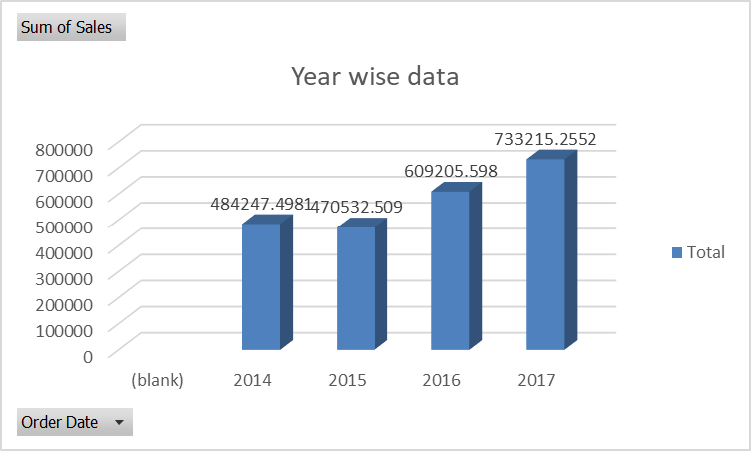

 | Total
Accessories | 41936.6357
Appliances | 18138.0054
Art | 6527.787
Binders | 30221.7633
Bookcases | -3472.556
Chairs | 26590.1663
Copiers | 55617.8249
Envelopes | 6964.1767
Fasteners | 949.5182
Furnishings | 13059.1436
Labels | 5546.254
Machines | 3384.7569
Paper | 34053.5693
Phones | 44515.7306
Storage | 21278.8264
Supplies | -1189.0995
Tables | -17725.4811
(blank)
Top 10 city
 | Total
Chicago | 48539.541
Houston | 64504.7604
Jacksonville | 44713.183
Los Angeles | 175851.341
New York City | 256368.161
Philadelphia | 109077.013
San Diego | 47521.029
San Francisco | 112669.092
Seattle | 119540.742
Springfield | 43054.342

city wise sale
Row Labels | Sum of Sales
Chicago | 48539.541
Houston | 64504.7604
Jacksonville | 44713.183
Los Angeles | 175851.341
New York City | 256368.161
Philadelphia | 109077.013
San Diego | 47521.029
San Francisco | 112669.092
Seattle | 119540.742
Springfield | 43054.342
Grand Total | 1021839.2044

sub-category
Sub-Category product
Sum of Sales |  | year having largest sale
Sub-Category | Total | Sum of Sales
Accessories | 167380.318 | Order Date | Total
Appliances | 107532.161 | (blank)
Art | 27118.792 | 2014 | 484247.4981
Binders | 203412.733 | 2015 | 470532.509
Bookcases | 114879.9963 | 2016 | 609205.598
Year wise data
 | Total
(blank)
2014 | 484247.4981
2015 | 470532.509
2016 | 609205.598
2017 | 733215.2552
Chairs | 328449.103 | 2017 | 733215.2552
Copiers | 149528.03 | Grand Total | 2297200.8603
Envelopes | 16476.402
Fasteners | 3024.28
Furnishings | 91705.164
Labels | 12486.312
Machines | 189238.631
Paper | 78479.206
Phones | 330007.054
Storage | 223843.608
Supplies | 46673.538
Tables | 206965.532
(blank)
Grand Total | 2297200.8603

 | Total
Accessories | 167380.318
Appliances | 107532.161
Art | 27118.792
Binders | 203412.733
Bookcases | 114879.9963
Chairs | 328449.103
Copiers | 149528.03
Envelopes | 16476.402
Fasteners | 3024.28
Furnishings | 91705.164
Labels | 12486.312
Machines | 189238.631
Paper | 78479.206
Phones | 330007.054
Storage | 223843.608
Supplies | 46673.538
Tables | 206965.532
(blank)

Profit
Row Labels | Sum of Profit
Accessories | 41936.6357
Appliances | 18138.0054
 | Total
Accessories | 41936.6357
Appliances | 18138.0054
Art | 6527.787
Binders | 30221.7633
Bookcases | -3472.556
Chairs | 26590.1663
Copiers | 55617.8249
Envelopes | 6964.1767
Fasteners | 949.5182
Furnishings | 13059.1436
Labels | 5546.254
Machines | 3384.7569
Paper | 34053.5693
Phones | 44515.7306
Storage | 21278.8264
Supplies | -1189.0995
Tables | -17725.4811
(blank)
Art | 6527.787
Binders | 30221.7633
Bookcases | -3472.556
Chairs | 26590.1663
Copiers | 55617.8249
Envelopes | 6964.1767
Fasteners | 949.5182
Furnishings | 13059.1436
Labels | 5546.254
Machines | 3384.7569
Paper | 34053.5693
Phones | 44515.7306
Storage | 21278.8264
Supplies | -1189.0995
Tables | -17725.4811
(blank)
Grand Total | 286397.0217

Region
Region wise Discount
 | Total
2014 | 466
2015 | 476
2016 | 603
2017 | 778
2014 | 517
2015 | 644
2016 | 766
2017 | 921
2014 | 349
2015 | 340
2016 | 413
2017 | 518
2014 | 661
2015 | 642
2016 | 805
2017 | 1095
(blank)
Row Labels | Count of Discount2
Central | 2323
2014 | 466
2015 | 476
2016 | 603
2017 | 778
East | 2848
2014 | 517
2015 | 644
2016 | 766
2017 | 921
South | 1620
2014 | 349
2015 | 340
2016 | 413
2017 | 518
West | 3203
2014 | 661
2015 | 642
2016 | 805
2017 | 1095
(blank)
(blank)
Grand Total | 9994

